CATALOGO
FOTO "CONTROL + H" | CODIGO | DESCRIPCION | PRECIO
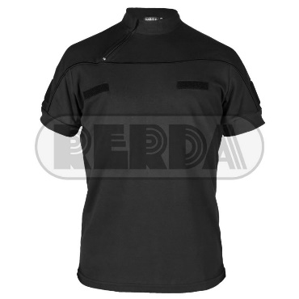 | 2101900 | CHOMBA MC CIERRE NE 3XS/2XL RER | $ 1,705.00
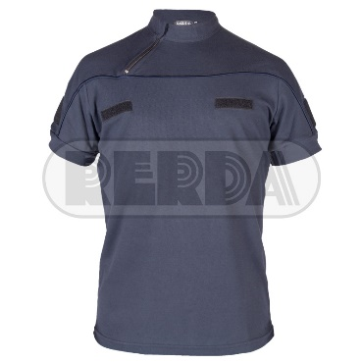 | 2101495 | CHOMBA MC CIERRE AZ 3XS/2XL RER | $ 1,694.00
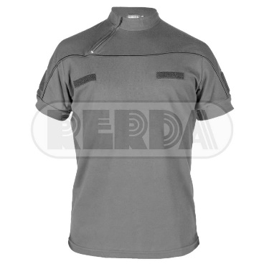 | 2101750 | CHOMBA MC CIERRE GR 3XS/2XL RER | $ 1,815.00
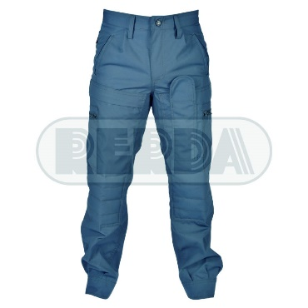 | 1120182 | BOMB CLAS RIP AZUL NEUQUEN 34/48 RER | $ 2,970.00
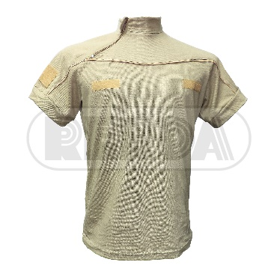 | 2101877 | CHOMBA MC CIERRE BEIGE 3XS/2XL RER | $ 1,694.00
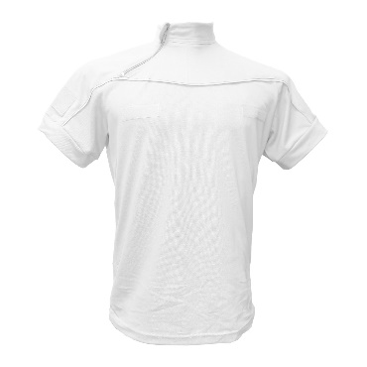 | 2101100 | CHOMBA MC CIERRE BLANCA 3XS/2XL RER | $ 1,694.00

